Sheet1
 | Document No. |  | Issue No. | Issue Date |  |  | Review and Replace Date |  | Authorised By
 | GFF167MC |  | 1 | 20.03.2020 |  |  | New Issue |  | Magda Shah
 | Document Title |  | Duck Spring Rolls with Hoisin Dip 90g - High Risk
Document amendments reason for change | New product launch |  |  | Page 1 of 1 |  | Previous Issue Date |  | New Issue | Uncontrolled copy unless signed original

CDSRB3-G6T |  | GAZEBO |  |  | DUCK SPRING ROLLS WITH HOISIN DIP 90g | CHILLED
STEP 1 |  |  |  |  |  | STEP 2
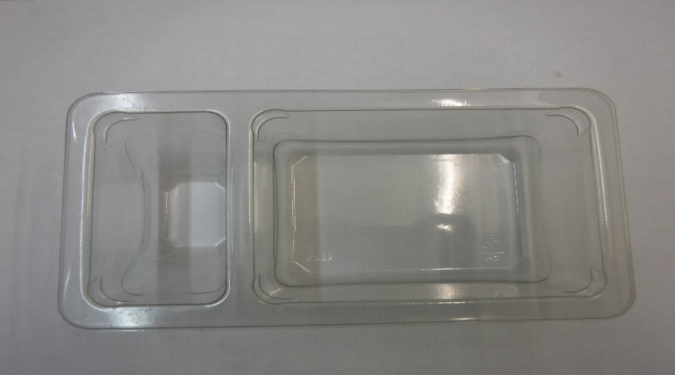 |  |  |  |  |  | 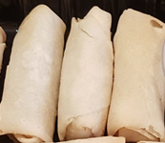
GUS FLASHED PRODUCT

Packaging: Duo-Pot Tray (PKLEE001-01) |  |  |  |  |  | 3 x DUCK SPRING ROLL 20g 60g (Fried before packing)
Film: Mylar 25OLAF (PKWRA001-02)
STEP 3 |  |  |  |  |  | STEP 4
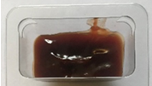 |  |  |  |  |  | 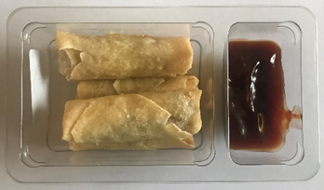

Hoisin Sauce (Amoy brand) (RMSEE001-18) 30g |  |  |  |  |  | TOTAL WEIGHT: 90g

ALLERGY ALERT: WHEAT, SOYA, SESAME

